Client
Timestamp | First Name | Last Name | Date of Birth | Phone Number | Email Address | New E-mail for Marketing | Contact number for Marketing | Current Address | Mailing Address: | Current Visa Status | First Entry into the U.S. (DD/MM/YYYY) | Total Years in the U.S. | Skilled In (Skills you can confidently work with) e.g., Python, Java, C++, JavaScript, React, Node.js, Django, Flask, Angular, Spring Boot ,Windows, Linux, macOS, Ubuntu, Kali Linux etc. | Currently Learning / Recently Learned: (Include any languages you're practicing or just started with.) | Experienced With (Tools you’ve used in real-time projects or jobs) (e.g., AWS, SQL, Docker, Git, Selenium, Tableau, Postman, etc.) | Learning Now / Self-Taught Tools (Include platforms or tools you're exploring on your own or through courses.) | Other Non Technical Skills / Courses (e.g., Business Analysis, Digital Marketing, UI/UX Design, Sales, Project Management, Communication, Leadership , Data Analytics with Excel, Power BI, Cybersecurity Awareness, etc.) | Work Experience (U.S. and/or International) | Job Title | Company Name: | Company Address | Start Date (DD/MM/YYYY) | End Date (DD/MM/YYYY) | Job Type ( Full-time / Part-time / Internship) | Key Responsibilities / Projects | Did you work anywhere else..? | Job Title | Company Name: | Company Address | Start Date (DD/MM/YYYY) | End Date (DD/MM/YYYY) | Job Type ( Full-time / Part-time / Internship) | Key Responsibilities / Projects | Did you work anywhere else..? | Job Title | Company Name: | Company Address | Start Date (DD/MM/YYYY) | End Date (DD/MM/YYYY) | Job Type ( Full-time / Part-time / Internship) | Key Responsibilities / Projects | Highest Degree: | Field of Study | University/Institution Name | Country | Graduation Month & Year: | LinkedIn profile link: | Bachelors Degree: | Field of Study | University/Institution Name | Country | Graduation Month & Year: | Have you completed any professional certifications relevant to your career or skillset? | Certification Name: | Issuing Organization: | Issued Date | Upload Any Documents | Please upload Passport | Please upload Government ID ( DL / State ID) | Please upload Visa | Please upload Work Authorization Proof (OPT Card, EAD, etc.) | Desired Job Role / Roles | Desired years of experience..? | Please upload original resume | Show this in the mail after submitted this form
 | Mandatory | Mandatory | Mandatory | Mandatory | Mandatory | Non-mandatory | Non-mandatory | Mandatory | Mandatory | Mandatory | Mandatory | Mandatory | Mandatory | Mandatory | Mandatory | Mandatory | Mandatory | Mandatory | Non-mandatory | Non-mandatory | Non-mandatory | Non-mandatory | Non-mandatory | Non-mandatory | Non-mandatory | Mandatory | Non-mandatory | Non-mandatory | Non-mandatory | Non-mandatory | Non-mandatory | Non-mandatory | Non-mandatory | Mandatory | Non-mandatory | Non-mandatory | Non-mandatory | Non-mandatory | Non-mandatory | Non-mandatory | Non-mandatory | Mandatory | Mandatory | Mandatory | Mandatory | Mandatory | Mandatory | Mandatory | Mandatory | Mandatory | Mandatory | Mandatory | Radio buttons with below values | Mandatory | Mandatory | Mandatory | Mandatory | Mandatory | Mandatory | Mandatory | Mandatory | Mandatory | Mandatory | Mandatory
 | Text field | Text field | Calendar | Field with country code | Text field | Text field | Field with country code | Text field | Text field | Dropdown with below values | Calendar | Text field | Text field | Text field | Text field | Text field | Text field | Rdio buttons with below options | Text field | Text field | Text field | Calendar | Calendar | dropdown | Text field | Rdio buttons with below options | Text field | Text field | Text field | Calendar | Calendar | dropdown | Text field | Rdio buttons with below options | Text field | Text field | Text field | Calendar | Calendar | dropdown | Text field | Text field | Text field | Text field | Text field | Calender | Text field | Text field | Text field | Text field | Text field | Calender | Yes | Text field | Text field | Calender | Choose file | Choose file | Choose file | Choose file | Choose file | Text | Text | Choose file
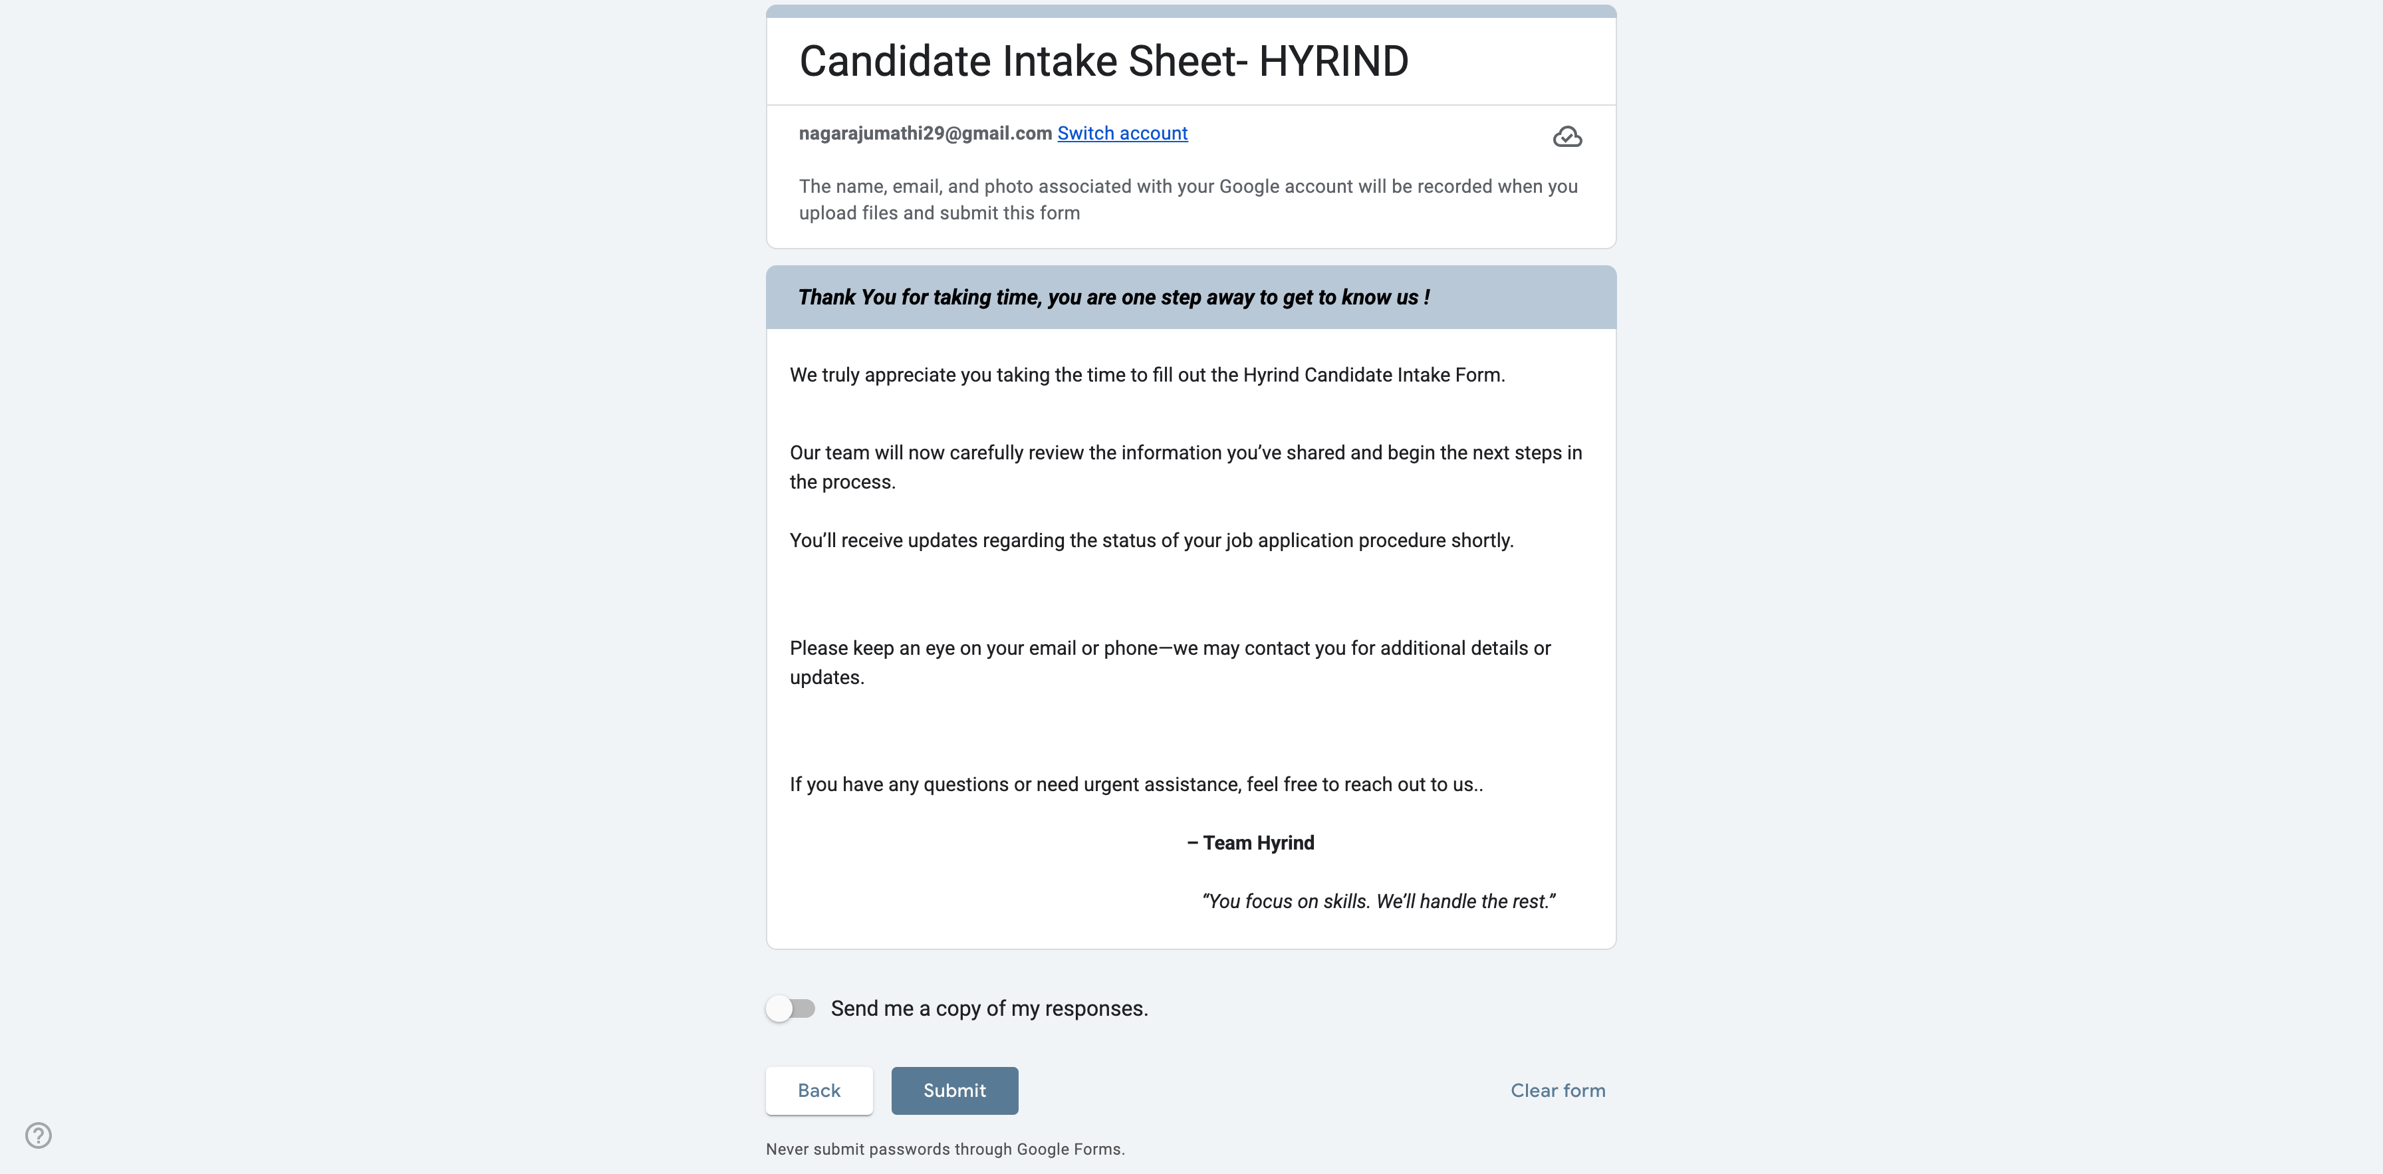
 |  |  |  |  |  |  |  |  |  | F1-OPT |  |  |  |  |  |  |  | Yes |  |  |  |  |  |  |  | Yes |  |  |  |  |  |  |  | Yes |  |  |  |  |  |  |  |  |  |  |  |  |  |  |  |  |  |  | No
 |  |  |  |  |  |  |  |  |  | H1B |  |  |  |  |  |  |  | No |  |  |  |  |  |  |  | No |  |  |  |  |  |  |  | No
 |  |  |  |  |  |  |  |  |  | H4 EAD
 |  |  |  |  |  |  |  |  |  | Green Card
 |  |  |  |  |  |  |  |  |  | US Citizen |  |  |  |  |  |  |  |  |  |  |  |  |  |  |  |  | If AA column is Yes then display these fields |  |  |  |  |  |  |  | If AI column is Yes then display these fields |  |  |  |  |  |  |  |  |  |  |  |  |  |  |  |  |  |  | If BB column is Yes then display these fields
 |  |  |  |  |  |  |  |  |  | Other:

Form submited date and this data should display with editable

Credential
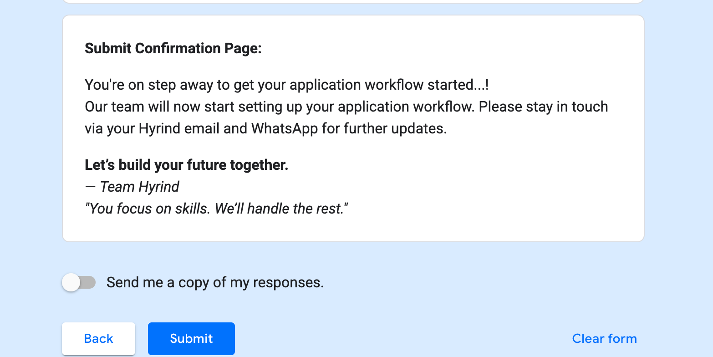
Timestamp | Email Address | Bachelors Graduation Date | First Entry into the U.S. (DD/MM/YYYY) | Masters Graduation Date | Opt Start date..? | Opt offer letter submitted | Please upload the Offer letter submitted | Preferred Job Roles for marketing | Preferred Location(s) | Full Name | Personal Email Address | Phone Number | Location (City, State) | LinkedIn Profile Login ID | Linkedin Password | Indeed Login ID | Indeed Password | Dice Login ID | Dice Password | Monster Login ID | Monster Password | ZipRecruiter Login ID | ZipRecruiter Password | Mention all other Job Platform accounts you have | Show this in the mail after submitted this form
 | Mandatory | Mandatory | Mandatory | Mandatory | Mandatory | Mandatory | Mandatory | Mandatory | Mandatory | Mandatory | Mandatory | Mandatory | Mandatory | Mandatory | Mandatory | Mandatory | Mandatory | Mandatory | Mandatory | Mandatory | Mandatory | Mandatory | Mandatory | Mandatory
 | Text field | Calendar | Calendar | Calendar | Calendar | Radio buttons with below values | File choosen | Text field | Text field | Text field | Text field | Field with country code | Text field | Text field | Text field | Text field | Text field | Text field | Text field | Text field | Text field | Text field | Text field | Text field
 |  |  |  |  |  | Yes
 |  |  |  |  |  | No
 |  |  |  |  |  | Waiting for one |  |  |  |  |  |  |  |  |  |  |  | Mention N/A if not created yet. |  |  |  |  |  | Mention N/A if you have no accounts with other job platforms
 |  |  |  |  |  |  | If G column is yes
Form submited date and this data should display with editable

